Sheet1
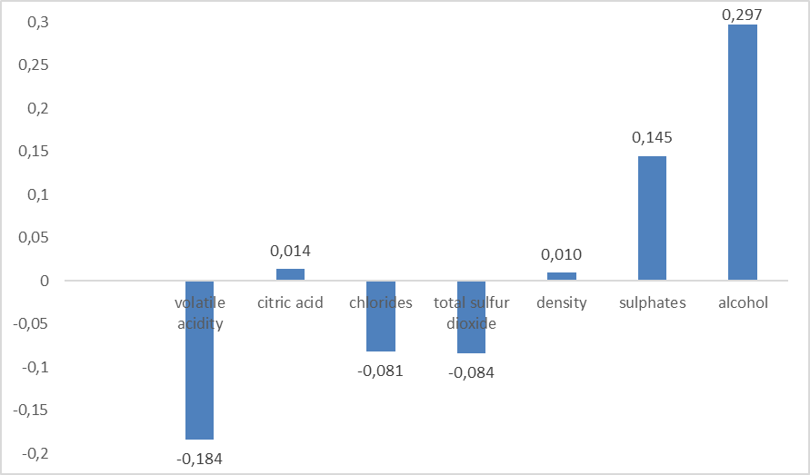
 | Features | Weights
0 | Bias | 5.6284331714
1 | volatile acidity | -0.184
2 | citric acid | 0.014
3 | chlorides | -0.081
4 | total sulfur dioxide | -0.084
5 | density | 0.010
6 | sulphates | 0.145
7 | alcohol | 0.297

